1. Data intro
YACHT & BOAT ANALYSIS

Yacht & Boat Sales Website Views - Analysis
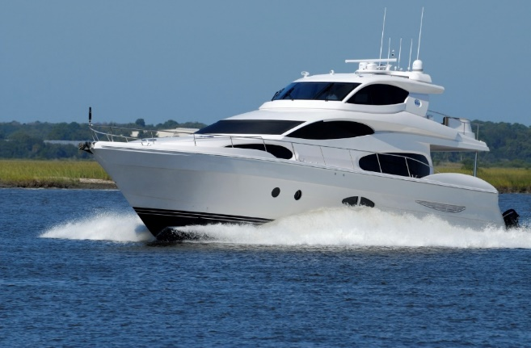

Project Name: Trending Insights in Yacht and Boat Sales
Date: January 23, 2024
Analyst Name: Keanu Gomes

Table of Contents
Population Flow
Cleaning
Preparation
Visualizations
Recommendations

2. Population Flow
YACHT & BOAT ANALYSIS
Back to Intro

Population flow

Subset Exclusion
Condition: ['Viewing by Appointment Only' ]

boat_sales_clean
Total: 13 columns x 9,888 rows

boat_sales_prepared
Total: 13 columns x 9,888 rows

boat_sales_final
Total: 17 columns x 9,888 rows

notes:

3. Cleaning
YACHT & BOAT ANALYSIS
 |  |  | Back to Intro
Consistency checks

 |  | Dataset dimensions: | 10 columns x 9,893 rows

Column | Missing values | Missing values treatment | Duplicates
Price | rows # 1582, 1689, 8377, 9772. | Incomplete data: 5 rows removed. | No duplicates found.
Boat Type | row # 8377. | Inaccurate/blank: removed with 5 rows. | No duplicates found.
Manufacturer | 1,343 missing values. | Still contains useful data - left as is. | No duplicates found.
Type | 6 types missing, rows # 234, 1879, 3274, 7423, 8059, 8262. | Still contains useful data - left as is. | No duplicates found.
Year Built | 551 values with "0" for year. | Still contains useful data - left as is. | No duplicates found.
Length | 9 missing length values. | Still contains useful data - left as is. | No duplicates found.
Width | 56 missing width values. | Still contains useful data - left as is. | No duplicates found.
Material | 1749 missing material values. | Still contains useful data - left as is. | No duplicates found.
Location | 36 missing locations. | Still contains useful data - left as is. | No duplicates found.
# of views last 7 days | 4 values of total views. | Still contains useful data - left as is. | No duplicates found.

Wrangling steps

Columns/Rows dropped | Columns renamed | Columns' type changed | Comment/Reason
rows # 1582, 1689, 8377, 9772. |  |  | Rows removed were showed shown to be mostly blank with no useable data.
 | from {Type:Specifications} |  | Variable renamed to a more specific category .

Several business phone numbers and personal names dropped. |  |  | Security PII Risk, removed.
 | {Number of views last 7 days:# of views last 7 days} |  | Variable name too long.

4. Preparation
YACHT & BOAT ANALYSIS
 |  |  | Back to Intro

Column derivations and aggregations

Dataset | New column | Column/s it was derived from | Conditions
boat_data_clean | Currency | Price | .str.split(' ', expand=True)
boat_data_clean | Country | Location | .str.split(' » ', expand=True)
boat_data_clean | State_Region | Location | .str.split(' » ', expand=True)
boat_data_clean | Location | Location | .str.split(' » ', expand=True)
boat_sales_prepared | Year Built Condition | Year | # If the 'Year Built' is less than 2000, set 'Year Built Condition' to 'Old'. # If the 'Year Built' is between 2000 (inclusive) and 2010 (exclusive), set 'Year Built Condition' to 'Mid'. # If the 'Year Built' is 2010 or later, set 'Year Built Condition' to 'New'.
boat_sales_prepared | Length Condition | Length | # Conditions for Length # If the 'Length' is less than 7.47, set 'Length Condition' to 'Short'. # If the 'Length' is between 7.47 (inclusive) and 13.93 (exclusive), set 'Length Condition' to 'Medium'. # If the 'Length' is 13.93 or longer, set 'Length Condition' to 'Long'.
boat_sales_prepared | Width Condition | Width | # Conditions for Width # If the 'Width' is less than 2.54, set 'Width Condition' to 'Narrow'. # If the 'Width' is between 2.54 (inclusive) and 4.25 (exclusive), set 'Width Condition' to 'Medium'. # If the 'Width' is 4.25 or wider, set 'Width Condition' to 'Wide'.
boat_sales_prepared | Price Condition | Price | # Conditions for Price # If the 'Price' is less than 44000, set 'Price Condition' to 'Low-value product'. # If the 'Price' is between 44000 (inclusive) and 255000 (exclusive), set 'Price Condition' to 'Mid-value product'. # If the 'Price' is 255000 or higher, set 'Price Condition' to 'High-value product'.
boat_sales_prepared | Views Condition | Views | # Conditions for Number of views last 7 days # If the 'Number of views last 7 days' is less than 70, set 'Views Condition' to 'Low Views'. # If the 'Number of views last 7 days' is between 70 (inclusive) and 172 (exclusive), set 'Views Condition' to 'Medium Views'. # If the 'Number of views last 7 days' is 172 or more, set 'Views Condition' to 'High Views'.

notes:

5. Visualizations
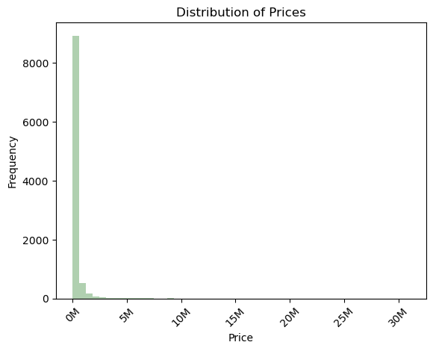
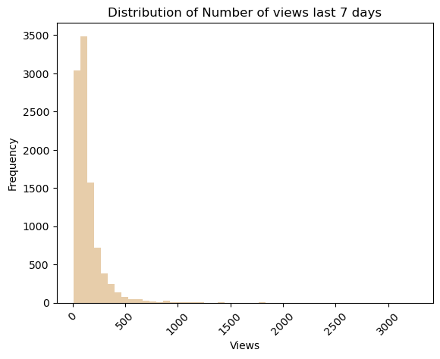
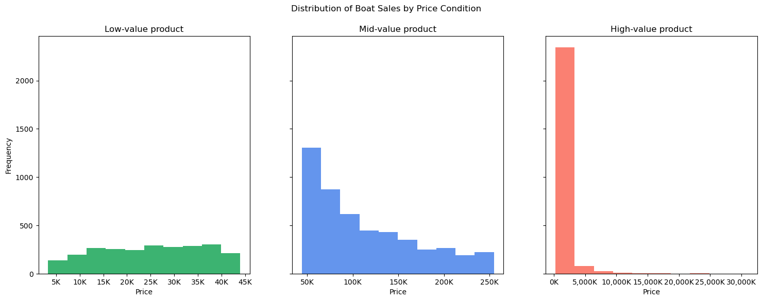
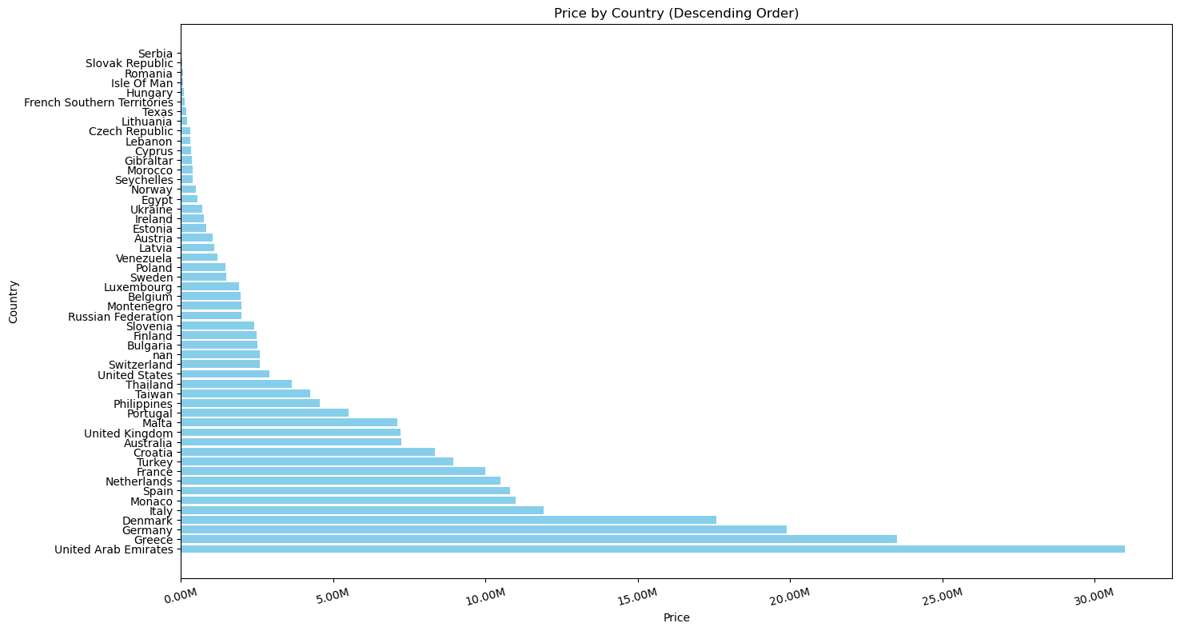
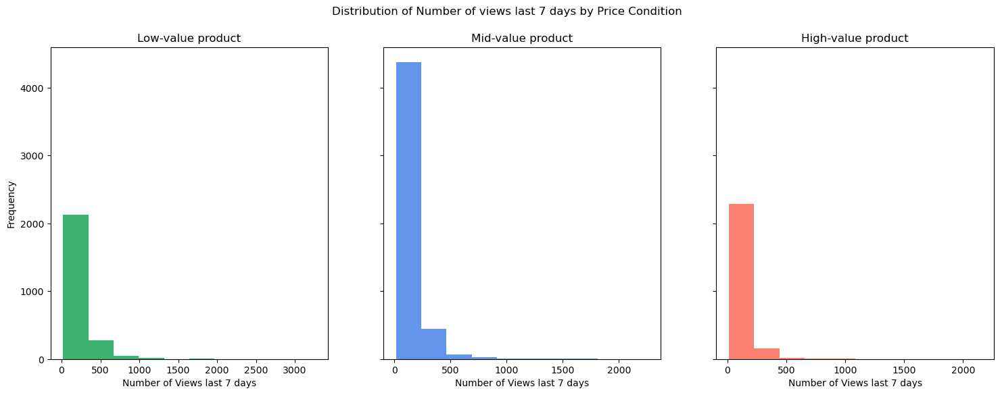
YACHT & BOAT ANALYSIS
Back to Intro

Visualizations

6. Recommendations
YACHT & BOAT ANALYSIS
 |  | Back to Intro

Recommendations

notes:

Question | Answer
Key Question 1
Key Question 2
Key Question 3
Key Question 4
Key Question 5
Key Question 6
Key Question 7

